Involute Spur
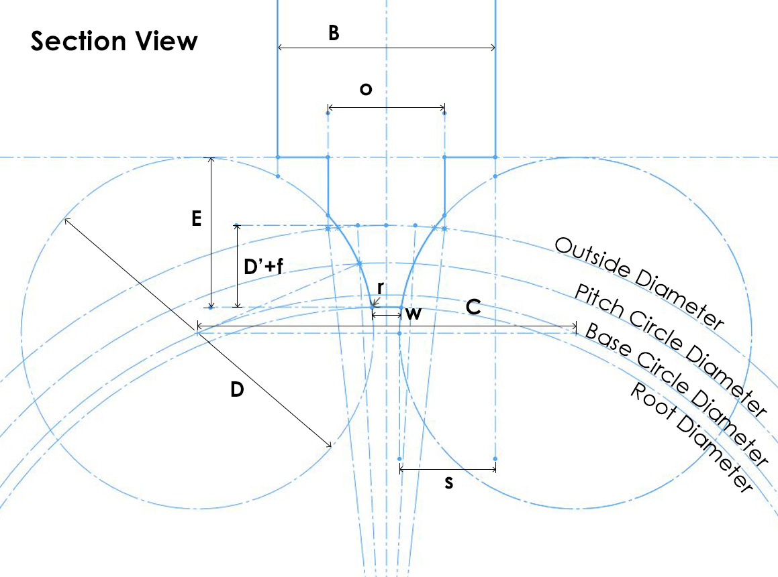
"N" Tooth Involute Gears & Pinions |  |  |  |  |  |  |  | Involute Rack

Gear System: | Module | Module - M: | 0.800 |  | Number of Teeth - N: | 45 |  | Gear System: | Module | Module - M: | 0.800 |  | Pressure Angle - Φ: | 20.00 | °
 |  | (Equal to DP of: | 31.750 |  | ) Pressure Angle - Φ: | 20.00 | ° |  |  | (Equal to DP of: | 31.750 | ) | Clearance f: | 0.250
 |  |  |  |  | Clearance f: | 0.250
 |  |  |  |  |  |  |  |  |  | Optimum Cutter thickness - o: | 2.513 | mm | Fillet Radius r: | 0.304 | mm
 |  | Optimum Cutter thickness - o: | 2.623 | mm | Fillet Radius r: | 0.304 | mm |  |  | Actual Cutter Blank Thickness - B: | 2.51 | mm
 |  | Actual Cutter Blank Thickness - B: | 2.62 | mm
 |  |  |  |  |  |  |  |  |  | Linear Pitch: | 2.513 | mm
 |  | Button Diameter - D: | 12.313 | mm | Wheel Blank OD: | 37.600 | mm |  |  | Angle of top slide - θ: | 20.0 | °
 |  | Button Center Distance - C: | 12.673 | mm | Root Diameter: | 34.000 | mm |  |  | Distance from side touch-off to locate knife tool - s: | 0.992 | mm
 |  | Distance from side touch-off to locate single button cutter - s: | 1.132 | mm |  |  |  |  |  | Infeed when using this cutter (D'+f): | 1.800 | mm
 |  | Cross slide infeed to form this cutter - E: | 4.839 | mm |  |  |  |  |  | Cutter Tip Width w: | 0.529 | mm
 |  | Infeed when using this cutter (D'+f): | 1.800 | mm
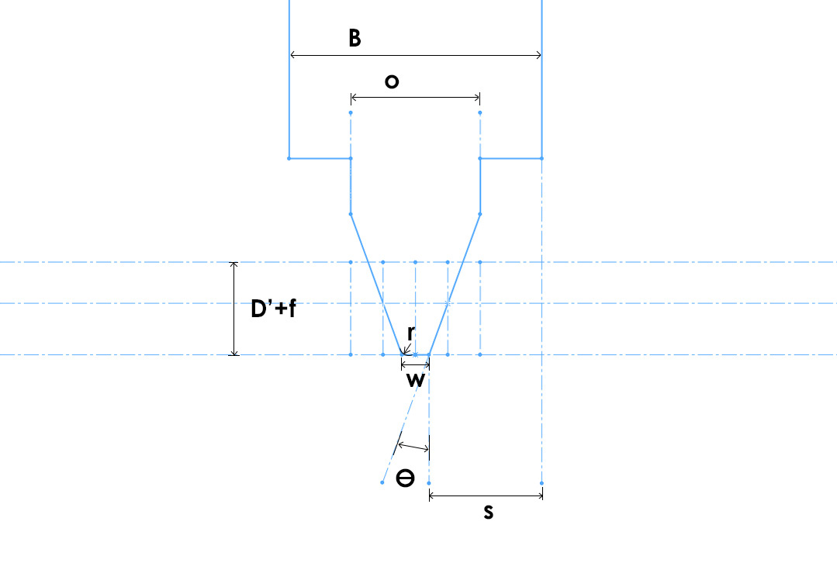
 |  | Cutter Tip Width w: | 0.644 | mm

BS 978 Part 2 based "Cycloidal"
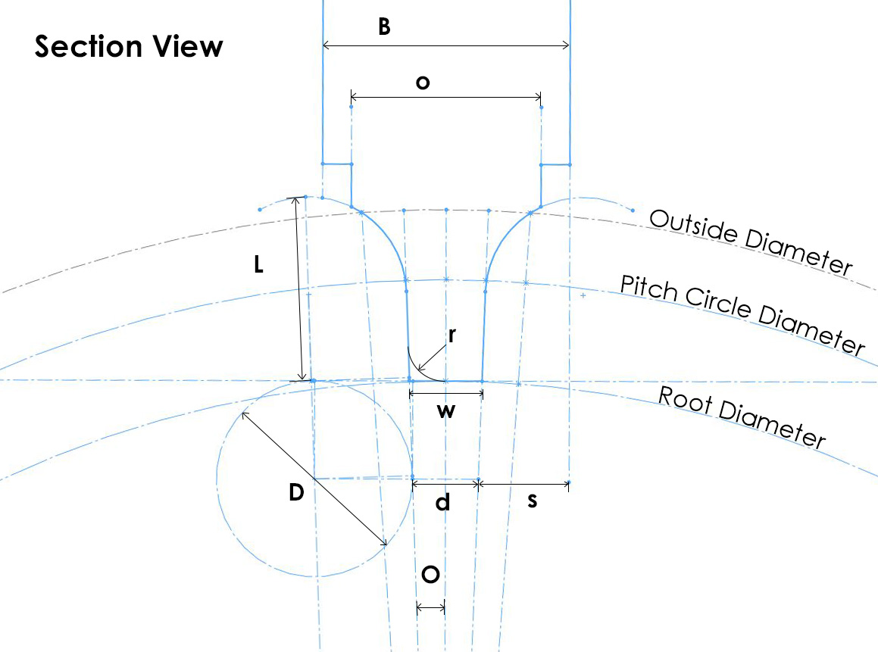
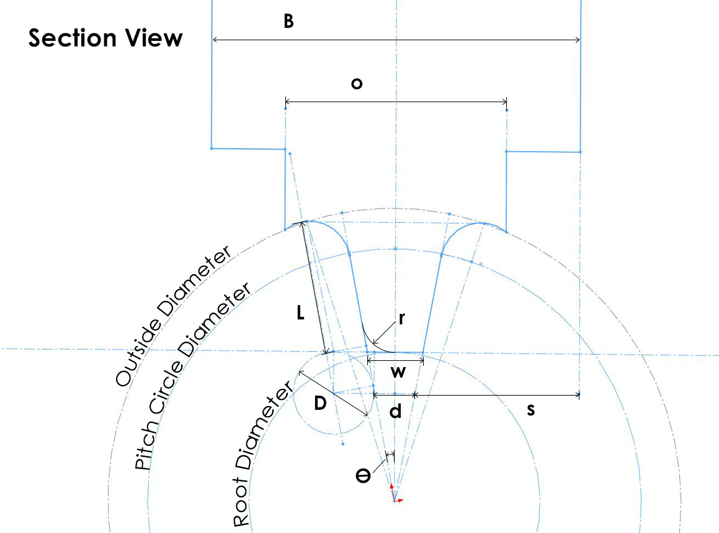
"T" Tooth Cycloidal Wheel |  |  |  |  |  |  |  | "t" Leaf Cycloidal Pinion

Gear System: | Module | Module - M: | 0.850 |  | Number of Teeth - T: | 60 |  | Gear System: | Module | Module - M: | 0.850 |  | Number of Teeth - T: | 10
 |  | (Equal to DP of: | 29.882 | ) | (>=17 up to Rack) |  |  |  |  | (Equal to DP of: | 29.882 | ) | (from 6 to 16)

 |  | Optimum Cutter thickness - o: | 3.965 | mm | Fillet Radius r: | 0.630 | mm |  |  | Optimum Cutter thickness - o: | 4.117 | mm | Fillet Radius r: | 0.578 | mm
 |  | Actual Cutter Blank Thickness - B: | 3.96 | mm |  | (For round bottom cutters) |  |  |  | Actual Cutter Blank Thickness - B: | 4.12 | mm |  | (For round bottom cutters)

 |  | Button Diameter D: | 3.289 | mm | (Rack Linear Pitch: | 2.670 | mm) | 1/3 Ogive Profile B |  | Button Diameter - D: | 1.394 | mm | Pinion Blank OD: | 9.869 | mm
 |  | Angle of top slide - θ: | 2.0 | ° | Wheel Blank OD: | 53.346 | mm |  |  | Angle of top slide - θ: | 10.8 | ° | Root Diameter: | 5.015 | mm
 |  | Rod stock fly cutter minimum diameter - d: | 1.102 | mm | Root Diameter: | 47.596 | mm |  |  | Rod stock fly cutter minimum diameter - d: | 0.716 | mm
 |  | Distance from side touch-off to locate single button cutter - s: | 1.431 | mm |  |  |  |  |  | Distance from side touch-off to locate single button cutter - s: | 1.701 | mm
 |  | Top slide infeed to form cutter - L: | 3.085 | mm |  |  |  |  |  | Top slide infeed to form cutter | 2.236 | mm
 |  | Final cutter tooth tip width - w: | 1.217 | mm |  |  |  |  |  | Final cutter tooth tip width - w: | 0.957 | mm

